Introduction
KSU-Own Combine

An Excel spreadsheet to evaluate the economic costs of owning and operating a combine.

 |  |  | Version- 6.30.16
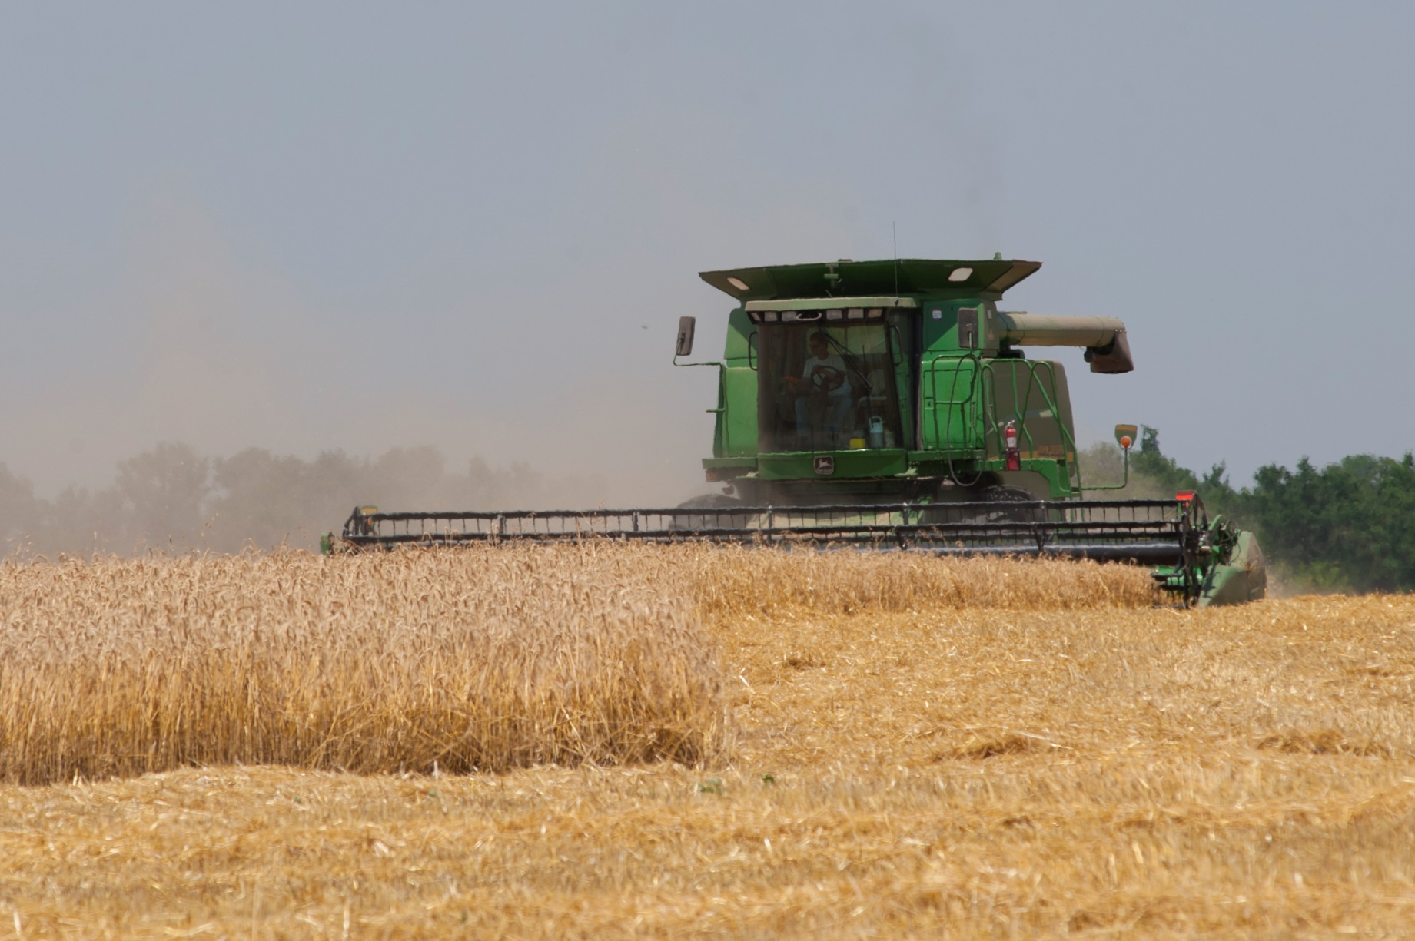

INSTRUCTIONS FOR THE USER:
Be sure to "Enable Content" and "Enable Macros" for the spreadsheet to function correctly. This spreadsheet uses macros to print the three different pages, however printing can also be done manually by highlighting the desired range and using the menu print commands.

In the "User input" tab all blue numbers are inputs and all black numbers are calculated from these inputs. Several input cells (i.e., blue number) have a red diamond in the upper right hand corner of the cell. By moving your mouse cursor over this diamond, a brief description of the input will be displayed on the screen.

FOR MORE INFORMATION:
With Questions contact: | Originally Developed by:

Rich Llewelyn | Terry L. Kastens, Ph.D. | Kevin C. Dhuyvetter, Ph.D.
Extension Assistant | Emeritus Agricultural Economist | Former Agricultural Economist
Kansas State University | Kansas State University | Kansas State University
rvl@ksu.edu
785-532-1504

Copyright 2016 AgManager.info, K-State Department of Agricultural Economics

Time and Tax (TT)
Time and tax (TT) section

 |  |  |  |  |  |  |  |  |  |  |  |  |  |  |  |  |  | After-tax net present value of costs (NPVc) => | $121,453

 |  |  |  | after-tax NPV => | $30,775 | $84,575 |  |  |  |  |  | after-tax NPV => | $9,233 |  | $11,575
 |  |  |  | % of total => | 22.60% | 62.12% |  |  |  |  |  | % of total => | 6.78% |  | 8.50%
 |  |  |  |  |  |  |  |  | EOY*
 | after-tax | EOY* | EOY* | est. |  |  | tax | Sec. 179 | or year |  |  |  |  |  |  | $16.17
 | discount | machine | machine | machine | opp. | market | deprec. | and tax | of sale | loan | loan | downpmt |  | accum. | annual | repairs | tax | net | discounted
year | factor | age | hours | value | interest | deprec. | rate | deprec. | tax basis | interest | principal | or sale | TIS** | repairs | repairs | per hour | savings | cash out | cash out
0 | 1.0000 | 0 | 0 | $275,000 | $0 | $0 | 14.29% | $39,298 | $235,703 | $0 | $0 | $50,000 | $0 | $0 | $0 | $0.00 | $13,872 | $36,128 | $36,128
1 | 0.9687 | 1 | 250 | 234,258 | 13,750 | 40,742 | 24.49% | 67,348 | $168,355 | 11,250 | 0 | 0 | 4,125 | $688 | 688 | 2.75 | 29,444 | -13,381 | -12,961
2 | 0.9383 | 2 | 500 | 201,075 | 11,713 | 33,183 | 17.49% | 48,098 | $120,258 | 11,250 | 0 | 0 | 3,514 | $2,951 | 2,262 | 9.05 | 22,989 | -5,962 | -5,595
3 | 0.9089 | 3 | 750 | 173,909 | 10,054 | 27,166 | 12.49% | 34,348 | $85,910 | 11,250 | 0 | 0 | 3,016 | $6,914 | 3,963 | 15.85 | 18,560 | -330 | -300
4 | 0.8804 | 4 | 1,000 | 151,561 | 8,695 | 22,348 | 8.93% | 24,558 | $61,353 | 11,250 | 0 | 0 | 2,609 | $12,650 | 5,736 | 22.94 | 15,586 | 4,009 | 3,530
5 | 0.8528 | 5 | 1,250 | 133,093 | 7,578 | 18,468 | 4.46% | 12,265 | $49,088 | 11,250 | 225,000 | -133,093 | 2,273 | $20,212 | 7,562 | 30.25 | -5,029 | 118,020 | 100,652

* EOY = End of year
** TIS = Property tax, insurance, and shelter

Information to modify current depreciation formulas

Age |  |  |  |  | -0.093716922929 |  | 1980.2861424
100 hours |  |  |  |  | -0.028173236965 |  | -792.16950038
Age x 100 hours |  |  |  |  | 0.0015204710545 |  | 0.0010175572351

Remaining Market Value of Combine
 |  |  |  | 1 | <= 1=original, 2=revised
 |  |  |  |  |  |  |  | Trade
Year |  | Age | Hours | Original | Depr | Revised | Depr | diff | SSE
0 |  | 0 | 0 | $275,000 | $0 | $275,000 | $0 |  | #REF!
1 |  | 1 | 250 | 234,258 | 40,742 | #REF! | #REF! | 38000 | #REF!
2 |  | 2 | 500 | 201,075 | 73,925 | #REF! | #REF! | 67000 | #REF!
3 |  | 3 | 750 | 173,909 | 101,091 | #REF! | #REF! | 88000 | #REF!
4 |  | 4 | 1,000 | 151,561 | 123,439 | #REF! | #REF! |  | 0
5 |  | 5 | 1,250 | 133,093 | 141,907 | #REF! | #REF! |  | 0
6 |  | 6 | 1,500 | 117,768 | 157,232 | #REF! | #REF! |  | 0
7 |  | 7 | 1,750 | 105,002 | 169,998 | #REF! | #REF! |  | 0
8 |  | 8 | 2,000 | 94,334 | 180,666 | #REF! | #REF! |  | 0
9 |  | 9 | 2,250 | 85,397 | 189,603 | #REF! | #REF! |  | 0
10 |  | 10 | 2,500 | 77,897 | 197,103 | #REF! | #REF! |  | 0
11 |  | 11 | 2,750 | 71,598 | 203,402 | #REF! | #REF! |  | 0
12 |  | 12 | 3,000 | 66,310 | 208,690 | #REF! | #REF! |  | 0
13 |  | 13 | 3,250 | 61,881 | 213,119 | #REF! | #REF! |  | 0
14 |  | 14 | 3,500 | 58,189 | 216,811 | #REF! | #REF! |  | 0
15 |  | 15 | 3,750 | 55,135 | 219,865 | #REF! | #REF! |  | 0
16 |  | 16 | 4,000 | 52,640 | 222,360 | #REF! | #REF! |  | 0
17 |  | 17 | 4,250 | 50,641 | 224,359 | #REF! | #REF! |  | 0
18 |  | 18 | 4,500 | 49,090 | 225,910 | #REF! | #REF! |  | 0
19 |  | 19 | 4,750 | 47,949 | 227,051 | #REF! | #REF! |  | 0
20 |  | 20 | 5,000 | 47,193 | 227,807 | #REF! | #REF! | 235000 | #REF!

 |  |  |  |  |  |  |  |  | #REF!

