Intro
KSU-Prevented Planting on Corn

An Excel spreadsheet for evaluating options due to prevented planting for corn, including late planting, taking prevented planting payments, or planting soybeans.

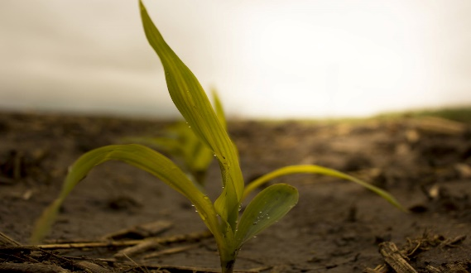
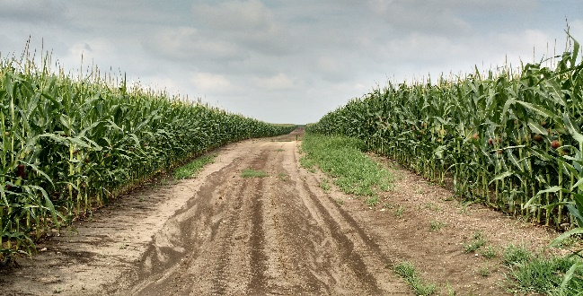
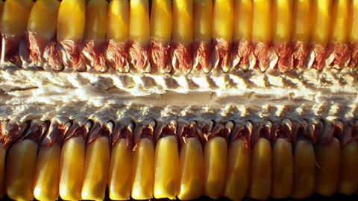
 | Version- 5.31.2019

INTRODUCTION
This tool was developed to assist producers facing a situation of prevented planting for corn in Kansas due to flooding and soil moisture conditions. Possible options include late planting of corn, planting soybeans, taking prevented planting payments, and possible use of cover crops.

INSTRUCTIONS FOR THE USER:
Be sure to "Enable Content" and "Enable Macros" for the spreadsheet to function correctly. Blue values are inputs that should be changed from the defaults to match your operation. Black values are automatically calculated.

FOR MORE INFORMATION:
Monte Vandeveer
Southwest Area Economist
Kansas State University
montev@ksu.edu
620-275-9163

Copyright 2019 AgManager.info, K-State Department of Agricultural Economics

