Introduction
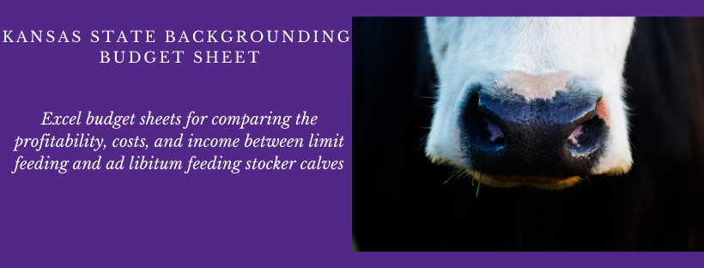
INTRODUCTION: These budget sheets were developed to serve as a barometer of the profitability for the backrounding/ stocker sector to compare the profitability of growing stocker calves through limit feeding or ad libitum feeding. These budgets are not intended to represent any one operation and each individual should adjust key inputs to reflect their own operation.
INSTRUCTIONS FOR THE USER: Blue values are inputs that should be changed from the defaults to match your operation. Black values are automatically calculated and should not be adjusted. The diets utilized throughout the research trial are in the Feed tab. If you choose to use a diet other than the diets provided, please update them accordingly.
Production Efficiency Measures:
Death Loss: Percentage of animals normally lost.
Days in Backgrounding Lot: Will be used to calculate ending weight and be multiplied by feed inputs that are on a per day basis.
Average Daily Gain: Will be multiplied by days in the lot to determine ending weight. ADG is a large driver of returns, so this should be adjusted to fit the production setting. The anticipated increase in average daily gain due to limit feeding is applied to the limit fed calculations.
Gross Returns:
Feeder Animal Sale: Default is based upon a March Steer Price; this value should be adjusted based on when marketing calves and if purchasing steers or heifers.
Purchase Price: Default price is based upon a October Steer Price; this value should be adjusted based on when purchasing calves and it purchasing steers or heifers.
Death Loss: Death loss percentage is multiplied by the purchase animal price to determine the deduction.
Variable Costs:
Pasture: State average estimate of a 10-year linear trend using NASS surveys for pasture rental rates. Pasture is not used in this example.
Crop Residue: Defaults to $15/ acre, but no crop reside is used in this example.
Harvested Forage: 135/ ton, but no harvested forage is used in this example.
Grain/ Protein/ Mineral Supplements: The diet fed for each feeding type is formulated and priced for each ingredient used. It is on a per head per day basis and multiplied by how many days cattle are fed.
Labor: Researched labor per animal is .3 hours per month
Average Rain Event: Average number of rain events for the production cycle is multiplied by the average time per head of additional labor required.
Mix and Delivery Time: The labor cost associated with the time required to mix and deliver the diets on a per head basis. The anticipated increase in time to feed the diet that is limit fed is accounted for.
Vet Medicine/ Drugs: KFMA value
Marketing Costs: KFMA value which includes trucking and sale commissions
Utilities, Gas, Fuel, Oil: KFMA values which includes fuel and oil for equipment, and the enterprise’s share of telephone, electricity, gas, and water expenses.
Manure Management Cost:
Machinery, Facility/ Equip Repairs: KFMA value
Tractor and Mixer Time and Usage: Lease price per hour for a tractor and mixer multiplied by the per head usage. The anticipated increase in time to feed the limit fed diet is accounted for.
Cash Interest Paid: KFMA value
Other Variable Costs: Rough sum of all other KFMA variable costs, includes fees/ publications/ travel, conservation, building rent, and auto expense. If additional bunks are required to limit feed it should be added in here.
Fixed Costs:
Depreciation: KFMA value
Taxes: KFMA value
Farm/ Livestock Insurance: KFMA value for general farm insurance
Opportunity Cost of investment: KFMA interest charge- does not represent cash interest paid, rather a measure to reflect the interest that could have been earned had the investment been made elsewhere.

