Intro
KSU - Hog Contract Evaluation Tool

An Excel spreadsheet for evaluating alternative market hog contracts
 |  | Version 6.17.2020
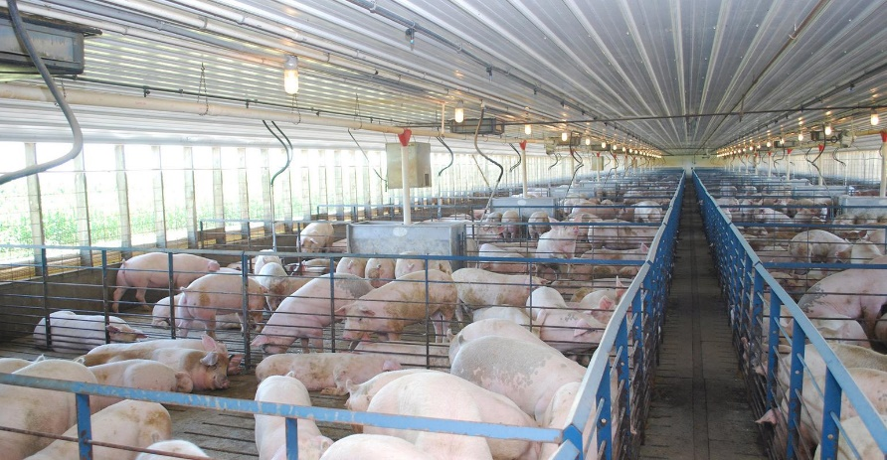


INTRODUCTION
This spreadsheet was developed as a decision-aid tool for producers interested in comparing market hog contract alternatives. It compares the historic weekly price differences provided by alternative contracts comprised by Western Cornbelt negotated prices and National pork cutout prices.

INSTRUCTIONS FOR THE USER:
In the Analysis sheet all blue numbers are input by the user. Formula weights, premiums, and percent of reported prices are adjustable inputs. All black numbers are derived from historical cutout or negotiated hog prices. The spreadsheet automatically recalculates every time an input is adjusted so it is important to wait until all data have been entered and reviewed before interpreting any of the calculated results.

Updated by:

Glynn T. Tonsor, Ph.D. | Mike Tokach, Ph.D.
Department of Agricultural Economics | Department of Animal Sciences & Industry
Kansas State University | Kansas State University
gtonsor@ksu.edu | mtokach@ksu.edu
785-532-1518 | 785-532-2032

Copyright 2020 AgManager.info, K-State Department of Agricultural Economics

Chart
Comparison of Contracts, Historical Performance Since 2014
 | Western Cornbelt, Formula Weight=100.00%; Cutout, Formula Weight=0.00%; Premium "over" Western Cornbelt=$3.50; Percent of cutout=0.00%; Premium "over" Cutout=$0.00 | Western Cornbelt, Formula Weight=50.00%; Cutout, Formula Weight=50.00%; Premium "over" Western Cornbelt=$3.00; Percent of cutout=93.00%; Premium "over" Cutout=$2.00 | Western Cornbelt, Formula Weight=0.00%; Cutout, Formula Weight=100.00%; Premium "over" Western Cornbelt=$0.00; Percent of cutout=94.00%; Premium "over" Cutout=$0.00
1/3/14 | $81.24 | $80.29 | $78.68
1/10/14 | $81.71 | $80.68 | $79.00
1/17/14 | $81.73 | $81.39 | $80.41
1/24/14 | $82.62 | $82.83 | $82.41
1/31/14 | $83.98 | $84.64 | $84.69
2/7/14 | $85.98 | $86.20 | $85.83
2/14/14 | $88.23 | $88.48 | $88.17
2/21/14 | $93.83 | $92.49 | $90.61
2/28/14 | $100.47 | $98.28 | $95.61
3/7/14 | $107.64 | $105.26 | $102.46
3/14/14 | $115.44 | $114.20 | $112.67
3/21/14 | $127.01 | $124.77 | $122.32
3/28/14 | $130.84 | $127.27 | $123.52
4/4/14 | $130.91 | $127.57 | $124.05
4/11/14 | $125.77 | $122.77 | $119.54
4/18/14 | $119.85 | $117.28 | $114.44
4/25/14 | $118.12 | $114.38 | $110.31
5/2/14 | $115.24 | $112.04 | $108.49
5/9/14 | $115.79 | $111.11 | $106.05
5/16/14 | $112.45 | $109.59 | $106.37
5/23/14 | $112.93 | $110.70 | $108.13
5/30/14 | $111.98 | $109.97 | $107.61
6/6/14 | $113.36 | $112.70 | $111.74
6/13/14 | $118.58 | $116.75 | $114.64
6/20/14 | $122.92 | $120.71 | $118.26
6/27/14 | $128.89 | $126.55 | $124.03
7/4/14 | $130.53 | $127.80 | $124.91
7/11/14 | $134.11 | $130.51 | $126.77
7/18/14 | $133.29 | $130.69 | $127.94
7/25/14 | $129.39 | $127.25 | $124.94
8/1/14 | $124.50 | $123.32 | $121.95
8/8/14 | $119.07 | $119.20 | $119.10
8/15/14 | $111.43 | $110.41 | $109.04
8/22/14 | $101.71 | $101.61 | $101.09
8/29/14 | $96.18 | $96.12 | $95.57
9/5/14 | $99.77 | $98.38 | $96.51
9/12/14 | $105.40 | $102.65 | $99.46
9/19/14 | $108.08 | $106.63 | $104.80
9/26/14 | $111.04 | $110.90 | $110.43
10/3/14 | $111.81 | $113.45 | $114.80
10/10/14 | $111.25 | $113.83 | $116.15
10/17/14 | $106.31 | $107.89 | $109.13
10/24/14 | $95.81 | $96.13 | $95.96
10/31/14 | $90.40 | $91.76 | $92.60
11/7/14 | $89.54 | $90.12 | $90.16
11/14/14 | $89.97 | $90.08 | $89.65
11/21/14 | $90.15 | $89.48 | $88.25
11/28/14 | $90.02 | $88.95 | $87.31
12/5/14 | $89.08 | $88.47 | $87.30
12/12/14 | $86.72 | $87.08 | $86.87
...

