Hay Inventory
Hay Inventory Calculator |  |  |  |  |  |  | Suggested Dry Matter Intake of Cows
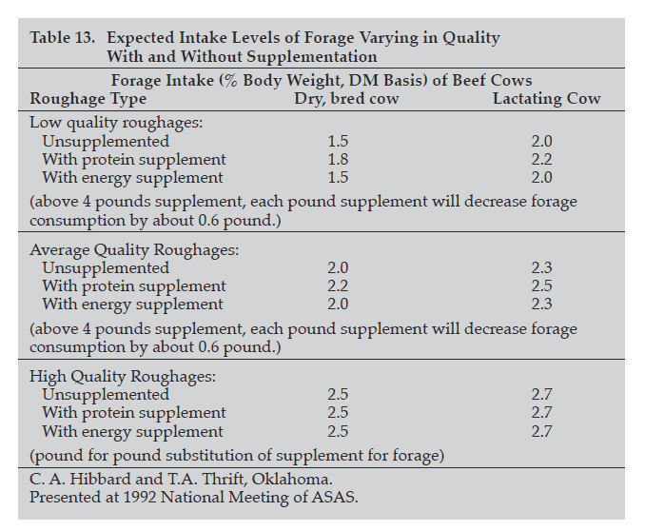
Estimated Hay Needs: |  |  |  |  | 90% | Hay Dry Matter Percentage
Type: | # of Head: | Weight: | Days Fed: | DM Intake as % of BW: |  | Tons of Hay Needed:
Mature Cows- Dry | 100 | 1350 | 120 | 2.2% | = | 198
Mature Cows- Lactating | 100 | 1350 | 60 | 2.5% | = | 113
Yearling Heifers | 15 | 900 | 180 | 2.2% | = | 30
Bulls | 5 | 2000 | 180 | 2.0% | = | 20
Other |  |  |  |  | = | 0
Other |  |  |  |  | = | 0
Other |  |  |  |  | = | 0
Other |  |  |  |  | = | 0
 |  |  |  | Total in tons: |  | 360
 |  |  |  | Total in bales: |  | 480
Estimated Hay available:
Number of bales on hand: | 65 | Average bale weight: | 1,500 | = | 49 | Tons of baled hay available
PLUS
Field Name: | # of Acres: | Ton/acre average yield: |  |  | Total Tons
Field 1 | 40 | 1.5 |  | = | 60
Field 2 | 30 | 2 |  | = | 60
Field 3 | 55 | 1.8 |  | = | 99
Field 4 | 20 | 3 |  | = | 60
Field 5 | 80 | 2 |  | = | 160
Field 6 | 0 | 0 |  | = | 0
Field 7 | 0 | 0 |  | = | 0
Field 8 | 0 | 0 |  | = | 0
Field 9 | 0 | 0 |  | = | 0
Field 10 | 0 | 0 |  | = | 0 |  | https://bookstore.ksre.ksu.edu/Item.aspx?catId=562&pubId=183
 |  |  |  |  | 439 | Estimated tons of hay to be baled

 |  |  |  |  | 488 | Estimated total TONS of hay available | Estimated Feeding/Storage Losses:
 |  |  |  |  | 650 | Estimated total BALES of hay available | Type of Storage | Loss % | Feeding System | Loss %
Estimated Feeding and Storage Loss: |  |  |  |  |  |  | Inside on ground | 5 to 7 | Cone Ring Feeder | 2-5
 |  |  |  |  |  |  | Inside on crushed stone | 3 to 5 | Steel (plastic) ring | 4-7
Storage loss percentage: | 15% | Feeding loss percentage: |  | 5% |  |  | Outside on ground, uncovered | 20 to 35 | Unrolled on ground | 5-45
 |  |  |  |  |  |  | Outside on ground, covered | 15 to 35 | Trailer | 10-13
Balance: |  |  |  |  |  |  | Outside on stone, uncovered | 13 to 20 | Bale cradle | 15-20
 | Tons |  | Tons |  |  |  | Outside on stone, covered | 10 to 17
Estimated Hay Available | 488 | Estimated Storage Loss | 73 | = | 415 | adjusted tons available
Estimated Hay Needed | 360 | Estimated Feeding Loss | 18 | = | 378 | adjusted tons needed

 |  |  |  | 36 |  | Surplus or Shortage in tons
 |  |  |  | 49 |  | Surplus or Shortage in bales

