Intro
KSU-Prevented Planting Analysis on Corn/Soybeans/Grain Sorghum
because of Drought Conditions

An Excel spreadsheet for evaluating taking prevented planting for spring crops or planting the crop with high risk of loss

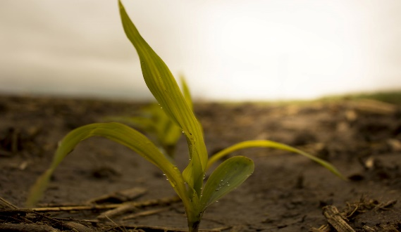
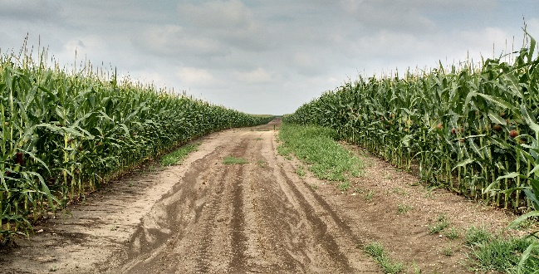
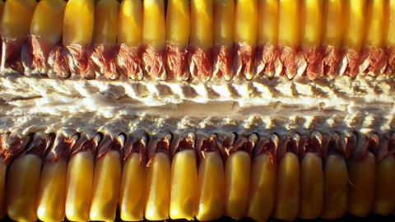
 | Version- 4.28.2022

INTRODUCTION
This tool was developed to assist producers facing a situation of prevented planting for corn, soybeans, or grain sorghum in Kansas due to drought conditions.

INSTRUCTIONS FOR THE USER:
Be sure to "Enable Content" for the spreadsheet to function correctly. Blue values are inputs that should be changed from the defaults to match your operation. Black values are automatically calculated.

FOR MORE INFORMATION:
Robin Reid
Extension Farm Economist
Kansas State University
robinreid@ksu.edu
785-532-0964

Copyright 2022 AgManager.info, K-State Department of Agricultural Economics

