Introduction
KSU-Insurance Alternatives for Winter-Damaged Wheat

An Excel spreadsheet for helping producers analyze options for wheat damaged by the winter weather.

 |  | Version- 5.10.2017
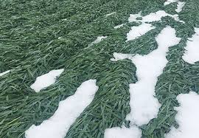

INTRODUCTION
This tool was developed to assist producers in analyzing the options available for wheat damaged by the late winter storm in Kansas in late April, 2017.

INSTRUCTIONS FOR THE USER:
Be sure to "Enable Content" and "Enable Macros" for the spreadsheet to function correctly. Blue values are inputs that should be changed from the defaults to match your operation. Black values are automatically calculated.

A companion publication with background information can be found by clicking: | HERE

FOR MORE INFORMATION:
Monte Vandeveer
KSU Southwest Research and Extension Center
4500 E Mary St.
Garden City , KS 67846
620.275.9164
montev@ksu.edu
Copyright 2017 AgManager.info, K-State Department of Agricultural Economics

